SheetSBW1 Summary
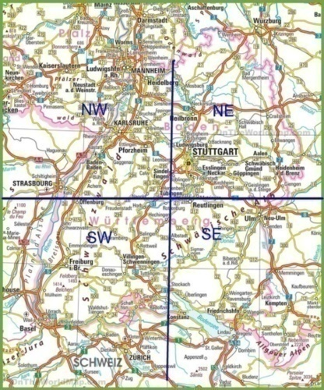
 |  |  |  | x
 |  |  |  | x
 |  |  |  | x
 |  |  |  | x
 |  |  |  | x
 |  |  |  | x
 |  |  |  | x
16 | 17 |  |  | x
1960- | 1990- | 2020- | total | x
3 | 2 |  | 613 | x
7 | 3 |  | 129 | x
10 | 5 |  | 742 | x
 |  |  |  | x
 |  |  |  | x
 |  |  |  | x
 |  |  |  | x
 |  |  |  | x
 |  |  |  | x
 |  |  |  | x
 |  |  |  | x
1960- | 1990- |  | total | x
72 | 48 |  | 2313 | x
3 | 3 |  | 139 | x
75 | 51 |  | 2452 | x
 |  |  |  | x
49 | 22 |  | 1085 | x
16 | 16 |  | 128 | x
65 | 38 |  | 1213 | x
 |  |  |  | x
62 | 28 |  | 677 | x
8 | 6 |  | 96 | x
70 | 34 |  | 773 | x
 |  |  |  | x
8 | 4 |  | 587 | x
27 | 16 |  | 139 | x
35 | 20 |  | 726 | x
 |  |  |  | x
 |  |  |  | x
 |  |  |  | x
 |  |  |  | x
 |  |  |  | x
5 | 0 |  | 482 | x
5 | 5 |  | 183 | x
10 | 5 |  | 665 | x
 |  |  |  | x
199 | 104 | 0 | 5757 | x
66 | 49 | 0 | 814 | x
265 | 153 | 0 | 6571 | x
1960- | 1990- | 2020- | total | x
 |  |  |  | x
 |  |  |  | x
 |  |  |  | x
78 | 55 |  | 1197 | x
11 | 17 |  | 131 | x
89 | 72 |  | 1328 | x
 |  |  |  | x
 |  |  | 0 | x
 |  |  | 0 | x
 |  |  | 0 | x
 |  |  |  | x
29 | 19 |  | 909 | x
1 | 1 |  | 54 | x
30 | 20 |  | 963 | x
0 | 0 |  | 0 | x
 |  |  |  | x
0 | 0 |  | 0 | x
0 | 0 |  | 0 | x
0 | 0 |  | 0 | x
 |  |  |  | x
0 | 0 |  | 0 | x
0 | 0 |  | 0 | x
0 | 0 |  | 0 | x
 |  |  |  | x
...

